Sheet1
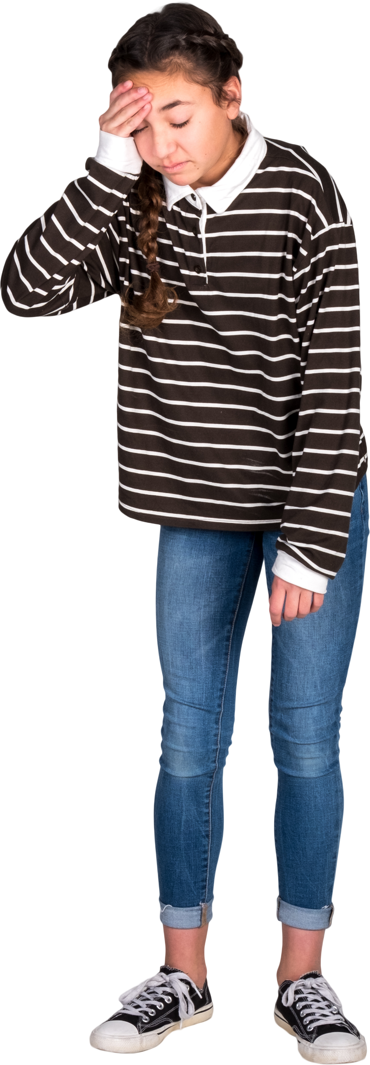
Words | Answer Expected
xyxz | xyx
oabba | abba
hannaq
teonnet | tennet
aliens | aliens
racecars | racecar
malayalaqm | malayalam
civicsr
tattarratptat | tattarrattat
Only one alphabet can be removed from Words list and it should become a palindrome. List the palindrome word so generated. If no answer is possible, answer will be blank.
Ex. kayaks - Remove s and resultant palindrome word is kayak.
raqdapr - No palindrome can be generated out of this. Hence, answer is blank.

